Sheet2
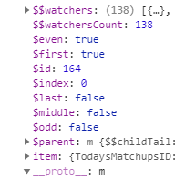
Parent id | TodaysMatchupsContainer
Modal id | AdjustmentsByTeamModal

css | #AdjustmentsByTeamModal
 | AdjustmentsByTeamModalController

 | ng-click="CloseModal(this, 'AdjustmentsListContainer', 'AdjustmentsModal', 'eventGetAdjustments' )"

 |  |  | id | first | even
 | GS | Away | 164 | TRUE | TRUE

Publish
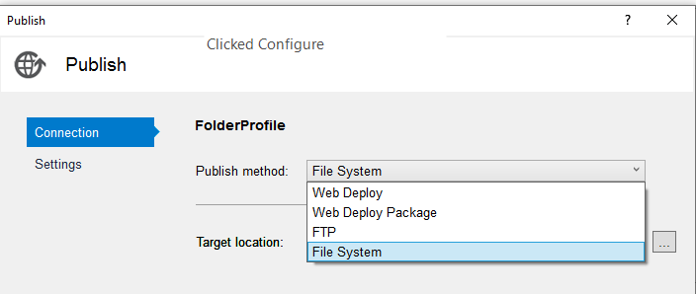
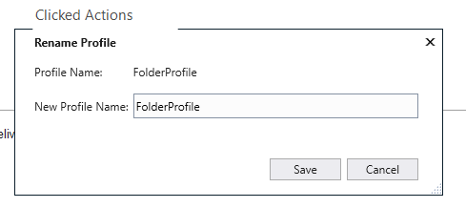
rt clk Startup proj | <li>rt clk Startup proj</li>
Publish | <li>Publish</li>
Click Configure to change Target location
Click Publish
Start | <li>Start</li>
Folder | <li>Folder</li>
/wwwroot/Test/TtiPoc/TtiPoc/bin/Release/Publish | <li>/wwwroot/Test/TtiPoc/TtiPoc/bin/Release/Publish</li>
Copied Publish to ttipoc.com in Arvixe | <li>Copied Publish to ttipoc.com in Arvixe</li>

T:\BballMVC
Publish to BballMVCproject
Rename BballMVCproject_yyyy-mm-dd

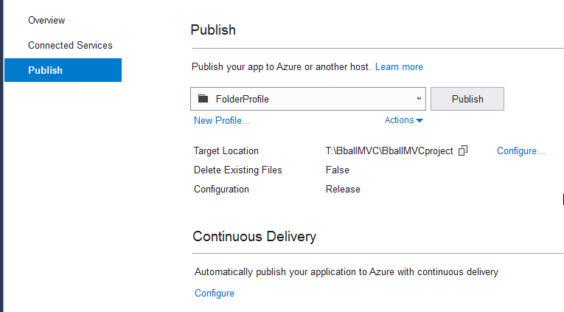
Try Web Deploy for TtiPoc

